Country Technical Notes
COUNTRY TECHNICAL NOTES

PLEASE PROVIDE COUNTRY TECHNICAL NOTES IF DIFFERENT FROM THE WASHINGTON GROUP TECHNICAL NOTES IN DEFINING PERSONS WITH DISABILITIES

Source: I-PMM 2013
Definition of "persons with disabilities":
Continuing difficulty or expected to last for six months or more.
صعوبة مستمرة أو من المتوقع أن تستمر لمدة 6 أشهر فأكثر.

Question used
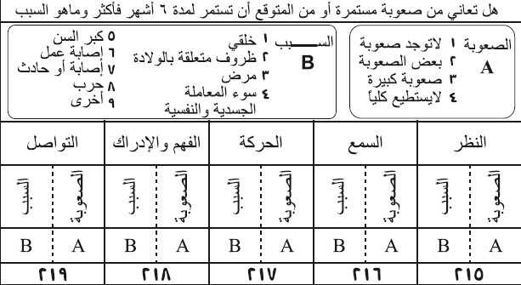

Other notes

The numbers provided are after weighted the sample

Table 2- Population by status and type of disability (By cases)
"Cognition (remembering and concentrating)(التذكر أو التركيز)الادراك " is the same as "الفهم والادراك"

Table 7- Population with disabilities by reason of disability and residence (By cases)
Car accident includes "إصابة أو حادث" as per survey questionnaire, the national defintion of "إصابة أو حادث" is :
اصابة أو حادث : حسب التعريف الذي ورد بالتعليمات التي زودت للباحثين الميدانيين هو : إذا كان سبب الصعوبة الرئيس ناتجاً عن إصابة خلال تأدية عمل معين أو خلال التعرض لحادث مثل حوادث السير أو الدهس.
الاصابة خلال تأدية عمل معين هي ليست المقصودة اصابة ناتجة من عمل الفرد او وظيفة الفرد (الافراد العاملين) لأن هذه الاصابة مذكورة في الفقرة رقم 6 (إصابة عمل) وانما ناتجة من تأدية اي عمل او نشاط يومي مثل التنظيف او ماشابه.
اصابة حرب : فهي اصابة ناتجة عن الحروب او الصراعات الداخلية.
Table 8- Population 5 years of age and over, by disability status and educational attainment (6+)
ISCED LEVEL 0 includes "10+ لا شهادة"
ISCED LEVEL 2 includes "أساسي" and "متوسط"
ISCED LEVEL 3 includes "اعدادية" and "مهني"
ISCED LEVEL 4 includes "دبلوم من معهد"
ISCED LEVEL 5 includes BA and Above (BA بكالوريوس + High diplomaدبلوم عالي+ Mastersماجستير+ doctorateدكتوراه), Level 5 can not be separated from Level 6

Table 9- Population 5 years of age and over, by disability status, school attendance, and age group (6+)

Table 12- Population by disability status and current status in employment
Income recipient includes "does not want to work" (له ايراد ولا يعمل)
Retired / self sufficient includes "Retired" (متقاعد) and "Withmeans" (زاهد عن العمل)
Unable to work includes "Too old/Disability/disease" (كبر السن، عجز، مرض)

Table 13- Population by disability status and occupation
FOR EMPLOYED POPULATION 15+ ONLY
ISCO-08

Table 14- Population by disability status and sector
FOR EMPLOYED POPULATION 15+ ONLY
ISIC 4

