Country Technical Notes
COUNTRY TECHNICAL NOTES

PLEASE PROVIDE COUNTRY TECHNICAL NOTES IF DIFFERENT FROM THE WASHINGTON GROUP TECHNICAL NOTES IN DEFINING PERSONS WITH DISABILITIES

Source: LFS 2016
Definition of "persons with disabilities":
الصعوبة : هي صعوبة حركية أو ذهنية أو حسية لا تمكن الفرد من ممارسة حياته بمفردة بصورة طبيعية نتيجة مشاكل صحية تحول دون مشاركته بصورة فعالة في المجتمع على قدم المساوه مع الأخرين

Question used:
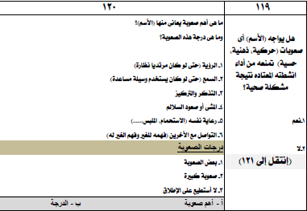
Other notes
Some Technical Notes Regarding
ESCWA Questionnaire for Disability Statistics-Egypt2016
1- The source of all Questionnaire tables is the annual sample data of LFS 2016 (83948 HH).
2- The data used in filling the questionnaire are weighted to satisfy the estimation of population size in 2016.
3- Sometimes there are a few differences between some totals for the same variable in different tables, these differences due to that when data are weighted (sample weight * sample observation) Couse different approximations
4- The disability questions has been applied for persons with age 6+ only (table 1)
5- Numbers in tables are in the term of (100).

Table 2- Population by status and type of disability (by person)

Table 13- Population by disability status and occupation
for employed population only

